Cover
Office of Planning & Research

2016-17 Students Transfer to 4-yr Institutions
as of April 2018

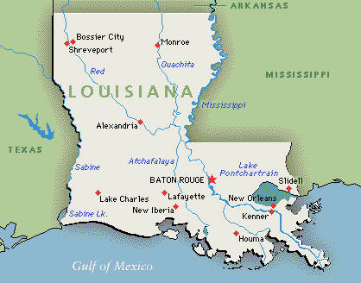

Prepared by the Office of Planning & Research
2018-08-29

Table of Contents

 |  |  |  | page no.

 | Summary |  | ……...…………………………..……...……………………...…………………………..……...……………… | 1

 | Transfer Students Demographics |  |  | 2
 |  | By Gender ……...…………………………..……...……………………...…………………………..……...……………… |  | 2
 |  | By Ethnicity ……...…………………………..……...……………………...…………………………..……...……………… |  | 2
 |  | By Admission Status ...……..…………………………..……...………………………….. |  | 2
 |  | By Classification ..…………………………..……...…………………………..…… |  | 2

 | Students Transferring Institution Information |  |  | 3
 |  | By Institution Name ……...…………………………..……...……………………...…………………………..……...……………… |  | 3
 |  | By Institution State ……...…………………………..……...……………………...…………………………..……...……………… |  | 3

 | Transfer Students by Programs of Study ...…………………………………………… |  |  | 4

8/29/2018 |  |  |  |  | Office of Planning and Research

Transfer Report

2016-17 Students Transfer to 4-yr Institutions as of April 2018

Summary

According to data received from the National Student Clearinghouse, 2,404 Delgado students enrolled in Academic Year 2016-17, or 11.2%, transferred to another institution by Spring 2018.
Most transfer students transferred to UNO (24%), followed by LSU (12%), and then Southern (10%).

Of transferrers' programs at Delgado, Louisiana Transfer Degree programs had transfer rates of 26% and 24%, Dietetics Technician had a transfer rate of 19%, and Accounting had a transfer rate of 17%.

It should be noted that not all programs are designed for transfer. Nor can we be sure that the students continued their same major at the transfer institution.

Report Limitations

This data is furnished to us by the National Student Clearinghouse (NSC). NSC cannot provide attendance and completion data for colleges that do not report these data to the Clearinghouse; nor do they report data for students or schools who block their response.

8/29/2018 |  |  |  |  | Office of Planning and Research
1

